X8.12
X8.12

Person | B | A | d = A-B | Sign |  | Step 1 - Hypothesis Test | H0: Median difference d = A - B = zero
1 | 5.0 | 8.0 | 3.0 | + | =IF(D4<0,"-",IF(D4>0,"+","0")) |  | H1: Median difference d = A - B <> zero
2 | 3.0 | 5.0 | 2.0 | + |  |  | Two tail test
3 | 8.0 | 7.0 | -1.0 | - |  | Step 2 - Select Test | Sign test for matched pairs
4 | 8.0 | 8.0 | 0.0 | 0
5 | 4.0 | 6.0 | 2.0 | + |  | Step 3 - Select level of significance | Significance level = | 0.05 |  | SPSS solution
6 | 5.0 | 4.0 | -1.0 | -
7 | 8.0 | 8.0 | 0.0 | 0 |  | Step 4 - Extract relevant statistic | median d = | 1.0000 | =MEDIAN(D4:D43)
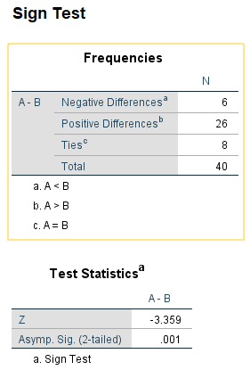
8 | 4.0 | 6.0 | 2.0 | + |  |  | Probability of success p = | 0.5
9 | 3.0 | 3.0 | 0.0 | 0 |  |  | Total number of trials N = | 40 | =COUNT(A4:A43)
10 | 6.0 | 5.0 | -1.0 | - |  |  | r- = | 6 | =COUNTIF(E4:E43,"-")
11 | 3.0 | 4.0 | 1.0 | + |  |  | r+ = | 26 | =COUNTIF(E4:E43,"+")
12 | 4.0 | 5.0 | 1.0 | + |  |  | r0 = | 8 | =COUNTIF(E4:E43,"=0")
13 | 6.0 | 5.0 | -1.0 | - |  |  | Test statistic x = | 26 | =MAX(I13,I14)
14 | 4.0 | 4.0 | 0.0 | 0 |  |  | number of binomial trials n' = | 32 | =I12-I15
15 | 5.0 | 6.0 | 1.0 | + |  |  | Use exact method or normal approximation (n > 25)
16 | 7.0 | 8.0 | 1.0 | + |  |  | x
17 | 8.0 | 9.0 | 1.0 | + |  |  | 26 | 0.00021099 | =BINOM.DIST(H20,$I$17,$I$11,FALSE)
18 | 7.0 | 8.0 | 1.0 | + |  |  | 27 | 0.00004689
19 | 6.0 | 7.0 | 1.0 | + |  |  | 28 | 0.00000837
20 | 5.0 | 7.0 | 2.0 | + |  |  | 29 | 0.00000115
21 | 10.0 | 9.0 | -1.0 | - |  |  | 30 | 0.00000012
22 | 7.0 | 9.0 | 2.0 | + |  |  | 31 | 0.00000001
23 | 4.0 | 8.0 | 4.0 | + |  |  | 32 | 0.00000000 | =BINOM.DIST(H26,$I$17,$I$11,FALSE)
24 | 7.0 | 9.0 | 2.0 | +
25 | 8.0 | 8.0 | 0.0 | 0 |  |  | one sided binomial p-value = | 0.0003 | =SUM(I20:I26)
26 | 9.0 | 9.0 | 0.0 | 0 |  |  | Two sided p-value = | 0.001 | =2*I28
27 | 7.0 | 8.0 | 1.0 | +
28 | 8.0 | 10.0 | 2.0 | + |  | Step 5 - Make decision
29 | 4.0 | 8.0 | 4.0 | + |  |  | Since two-tailed binomial p-value = 0.001 < 0.05/2 = 0.025 Reject H0
30 | 8.0 | 7.0 | -1.0 | -
31 | 9.0 | 10.0 | 1.0 | + |  |  | Normal approximation solution
32 | 3.0 | 6.0 | 3.0 | + |  |  | Population mean = np = | 16 | =I17*I11
33 | 5.0 | 5.0 | 0.0 | 0 |  |  | Population standard deviation = sqrt(npq) = | 2.8284 | =SQRT(I17*I11*(1-I11))
34 | 5.0 | 8.0 | 3.0 | + |  |  | Calculate Z = (X - m)/s = | 3.359 | =(I16-0.5-I35)/I36
35 | 10.0 | 10.0 | 0.0 | 0
36 | 5.0 | 6.0 | 1.0 | +
37 | 8.0 | 9.0 | 1.0 | +
38 | 5.0 | 6.0 | 1.0 | +
39 | 8.0 | 9.0 | 1.0 | +
40 | 7.0 | 8.0 | 1.0 | +
 |  |  | =C43-B43

X8.15
X8.15

Participant | B | A | d=X-Y-D | ABS(d) | Rank* |  | Step 1 - Hypothesis Test
1 | 80.0 | 89.0 | 9.0 | 9 | 13 | =RANK.AVG(E4,$E$4:$E$23,1) |  | H0: A - B - D0 <= 0)
2 | 75.0 | 82.0 | 7.0 | 7 | 10 |  |  | H1: A - B - D0 > 0
3 | 84.0 | 96.0 | 12.0 | 12 | 18 |  |  | Upper one tail test
4 | 65.0 | 68.0 | 3.0 | 3 | 2.5 |  |  | Median centered at Do = | 0
5 | 40.0 | 45.0 | 5.0 | 5 | 6.5 |  |  | Median difference = | 7.0
6 | 72.0 | 79.0 | 7.0 | 7 | 10 |  | Step 2 - Select Test
7 | 41.0 | 30.0 | -11.0 | 11 | 16.5 |  |  | Wilcoxon signed rank test |  |  | SPSS solution
8 | 10.0 | 15.0 | 5.0 | 5 | 6.5
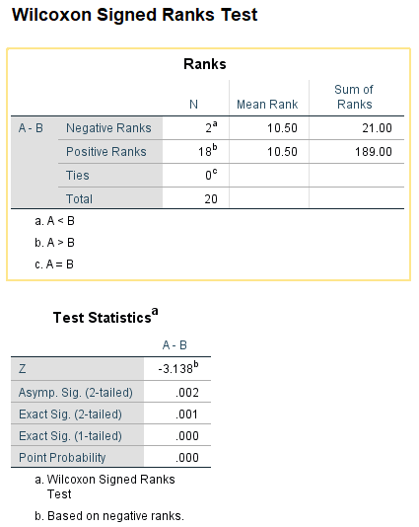
9 | 16.0 | 12.0 | -4.0 | 4 | 4.5 |  | Step 3 - Select level of significance
10 | 17.0 | 24.0 | 7.0 | 7 | 10 |  |  | Significance level = | 0.05
11 | 37.0 | 40.0 | 3.0 | 3 | 2.5
12 | 55.0 | 68.0 | 13.0 | 13 | 19 |  | Step 4 - Extract relevant statistic
13 | 80.0 | 88.0 | 8.0 | 8 | 12 |  |  | n = | 20 | =COUNT(A4:A23)
14 | 85.0 | 95.0 | 10.0 | 10 | 14.5 |  |  | n0 = | 0 | =COUNTIF(E4:E23,"0")
15 | 17.0 | 21.0 | 4.0 | 4 | 4.5 |  |  | n' = | 20 | =J16-J17
16 | 12.0 | 22.0 | 10.0 | 10 | 14.5 |  |  | T - = | 21 | =SUMIF(D4:D23,"<0",F4:F23)
17 | 15.0 | 21.0 | 6.0 | 6 | 8 |  |  | T + = | 189 | =SUMIF(D4:D23,">0",F4:F23)
18 | 23.0 | 25.0 | 2.0 | 2 | 1 |  |  | T = | 21 | =MIN(J19,J20)
19 | 34.0 | 45.0 | 11.0 | 11 | 16.5 |  |  | m = | 105 | =J18*(J18+1)/4
20 | 61.0 | 80.0 | 19.0 | 19 | 20 |  |  | s = | 26.8 | =SQRT((J18*(J18+1)*(2*J18+1)/24))
 |  |  | =C23-B23-$J$7 | =ABS(D23) |  |  |  | Zcal = | -3.1359 | =(J21-J22)/J23
 |  |  |  |  |  |  |  | Upper one tail Zcri = | -1.6449 | =NORM.S.INV(J13)
 |  |  |  |  |  |  |  | Upper one tail p-value = | 0.000857 | =NORM.S.DIST(J24,TRUE)

 |  |  |  |  |  |  | Step 5 - Make a decision
 |  |  |  |  |  |  |  | Since Zcal < Zcri (- 3.13 < - 1.6449) Accept H1
 |  |  |  |  |  |  |  | Since upper one tail p-value (0.0009 < 0.05), Accept H1

 |  |  |  |  |  |  |  | If 2-tail, then 2-tail p-value = | 0.002 | =J26*2

X8.16
X8.16

Participant | B | A | d=X-Y-D | ABS(d) | Rank* |  | Step 1 - Hypothesis Test
1 | 49 | 22 | 27.0 | 27 | 30 | =RANK.AVG(E4,$E$4:$E$33,1) |  | H0: B - A - D0 <= 0)
2 | 34 | 23 | 11.0 | 11 | 15 |  |  | H1: B - A - D0 > 0
3 | 30 | 32 | -2.0 | 2 | 3 |  |  | Upper one tail test
4 | 46 | 24 | 22.0 | 22 | 26.5 |  |  | Median centered at Do = | 0
5 | 37 | 23 | 14.0 | 14 | 20 |  |  | Median difference = | 11.0
6 | 28 | 21 | 7.0 | 7 | 9.5 |  | Step 2 - Select Test
7 | 48 | 24 | 24.0 | 24 | 28.5 |  |  | Wilcoxon signed rank test
8 | 40 | 29 | 11.0 | 11 | 15 |  | Step 3 - Select level of
9 | 42 | 27 | 15.0 | 15 | 21 |  | significance | Significance level = | 0.05
10 | 45 | 27 | 18.0 | 18 | 25 |  | Step 4 - Extract relevant |  |  |  | SPSS solution
11 | 29 | 23 | 6.0 | 6 | 8 |  | statistic | n = | 30 | =COUNT(A4:A33)
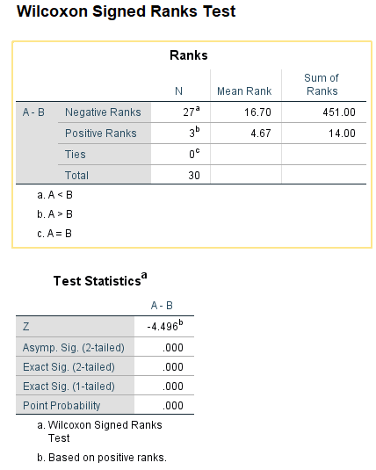
12 | 45 | 29 | 16.0 | 16 | 22.5 |  |  | n0 = | 0 | =COUNTIF(E4:E33,"0")
13 | 32 | 37 | -5.0 | 5 | 6.5 |  |  | n' = | 30 | =J14-J15
14 | 44 | 22 | 22.0 | 22 | 26.5 |  |  | T - = | 14 | =SUMIF(D4:D33,"<0",F4:F33)
15 | 49 | 33 | 16.0 | 16 | 22.5 |  |  | T + = | 451 | =SUMIF(D4:D33,">0",F4:F33)
16 | 28 | 27 | 1.0 | 1 | 1.5 |  |  | T= | 14 | =MIN(J17,J18)
17 | 44 | 35 | 9.0 | 9 | 11 |  |  | m = | 233 | =J16*(J16+1)/4
18 | 39 | 32 | 7.0 | 7 | 9.5 |  |  | s = | 48.6 | =SQRT((J16*(J16+1)*(2*J16+1)/24))
19 | 47 | 35 | 12.0 | 12 | 18 |  |  | Zcal = | -4.4942 | =(J19-J20)/J21
20 | 41 | 24 | 17.0 | 17 | 24
21 | 33 | 37 | -4.0 | 4 | 4.5 |  |  | Zcri = | -1.6449 | =NORM.S.INV(J12)
22 | 38 | 37 | 1.0 | 1 | 1.5 |  |  | P-value = | 0.000003 | =NORM.S.DIST(J22,TRUE)
23 | 35 | 24 | 11.0 | 11 | 15 |  | Step 5 - Make a decision
24 | 35 | 23 | 12.0 | 12 | 18 |  |  | Since Zcal < Zcri (- 4.49 < - 1.6449) Accept H1
25 | 47 | 23 | 24.0 | 24 | 28.5 |  |  | Since upper one tail p-value (0.000003 < 0.05), Accept H1
26 | 47 | 37 | 10.0 | 10 | 12.5
27 | 48 | 38 | 10.0 | 10 | 12.5 |  |  | If 2 tail, then 2-tail p-value = | 6.9837831475E-06 | =J25*2
28 | 35 | 30 | 5.0 | 5 | 6.5
29 | 41 | 29 | 12.0 | 12 | 18
30 | 35 | 31 | 4.0 | 4 | 4.5
 |  |  | =B33-C33-$J$7 | =ABS(D33)

X8.19
X8.19

Training type | Combined Samples | Rank* |  | Step 1 - State hypothesis | H0: Interest rates same
1 | 10.20 | 1 | =RANK.AVG(B4,$B$4:$B$26,1) |  | H1: Interest rates different
1 | 10.97 | 15 |  |  | Two tail test
1 | 10.63 | 6 |  | Select test | Mann-Whitney U test
1 | 10.70 | 8 |  | Set level of significance
1 | 10.50 | 4 |  |  | Significance Level = | 0.05 |  | SPSS solution
1 | 10.30 | 3 |  | Extract relevant statistic | Median sample 1 = | 10.64 | =MEDIAN(B4:B13)
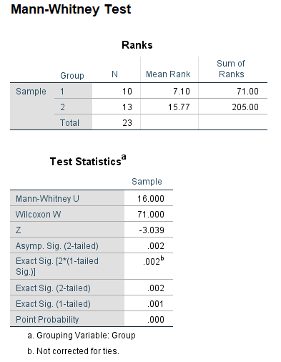
1 | 10.65 | 7 |  |  | Median sample 2 = | 11.05 | =MEDIAN(B14:B26)
1 | 10.25 | 2 |  |  | n1 = | 10 | =COUNTIF(A4:A26,"=1")
1 | 10.75 | 9 |  |  | n2 = | 13 | =COUNTIF(A4:A26,"=2")
1 | 11.00 | 16 |  |  | T1 = | 71 | =SUMIF(A4:A26,"=1",C4:C26)
2 | 10.60 | 5 |  |  | T2 = | 205 | =SUMIF(A4:A26,"=2",C4:C26)
2 | 10.80 | 11 |  |  | T1 max = | 185 | =G11*G12+G11*(G11+1)/2
2 | 11.40 | 23 |  |  | T2 max = | 221 | =G11*G12+G12*(G12+1)/2
2 | 10.90 | 14 |  |  | U1 = | 114 | =G15-G13
2 | 11.10 | 18 |  |  | U2 = | 16 | =G16-G14
2 | 11.20 | 22 |  |  | U1+U2 = | 130 | =G17+G18
2 | 10.89 | 13 |  |  | n1n2 = | 130 | =G11*G12
2 | 10.78 | 10 |  |  | Ucal = | 16 | =MIN(G17,G18)
2 | 11.05 | 17 |  |  | m = | 65 | =G11*G12/2
2 | 11.15 | 19 |  |  | s = | 16.1245 | =SQRT(G11*G12*(G11+G12+1)/12)
2 | 10.85 | 12 |  |  | Zcal = | -3.0389 | =(G21-G22)/G23
2 | 11.16 | 20 |  |  | Lower two tail tail Zcri = | -1.9600 | =NORM.S.INV(G8/2)
2 | 11.18 | 21 |  |  | Upper two tail tail Zcri = | 1.9600 | =NORM.S.INV(1-G8/2)
 |  |  |  |  | Two tail p-value = | 0.0024 | =2*(1-NORM.S.DIST(ABS(G24),TRUE))
 |  |  |  | Make a decision
 |  |  |  |  | Since Zcal < Zcri (-3.0 < -1.96), Accept H1
 |  |  |  |  | Since lower two tailed p-value (0.0024) < 0.05, Accept H1
 |  |  |  |  | [Borderline decision - if you change to 1% then your decision may change]

TU8.8
TU8.8

Patient | X | d = X - D = X - 22 | Sign |  | Step 1 - Hypothesis Test | H0: Median difference d <= 0
1 | 9.4 | -12.6 | - | =IF(C4<0,"-",IF(C4>0,"+","0")) |  | H1: Median difference d > 0
2 | 13.4 | -8.6 | - |  |  | Upper one tail test
3 | 15.6 | -6.4 | - |  | Step 2 - Select Test | Sign test for matched pairs
4 | 16.2 | -5.8 | -
5 | 16.4 | -5.6 | - |  | Step 3 - Select level of | Significance level = | 0.05 |  | SPSS solution
6 | 16.8 | -5.2 | - |  | significance
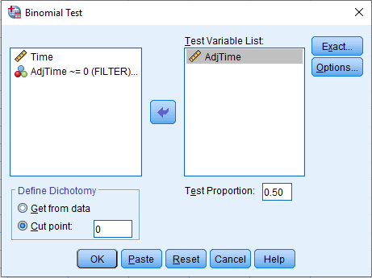
7 | 18.1 | -3.9 | - |  | Step 4 - Extract relevant | median d = | -2.8000 | =MEDIAN(C4:C23)
8 | 18.7 | -3.3 | - |  | statistic | Probability of success p = | 0.5
9 | 18.9 | -3.1 | - |  |  | Total number of trials N = | 20 | =COUNT(A4:A23)
10 | 19.1 | -2.9 | - |  |  | r- = | 15 | =COUNTIF(D4:D23,"-")
11 | 19.3 | -2.7 | - |  |  | r+ = | 5 | =COUNTIF(D4:D23,"+")
12 | 20.1 | -1.9 | - |  |  | r0 = | 0 | =COUNTIF(D4:D23,"=0")
13 | 20.4 | -1.6 | - |  |  | Test statistic x = | 15 | =MAX(H13,H14)
14 | 21.6 | -0.4 | - |  |  | number of binomial trials n' = | 20 | =H12-H15
15 | 21.9 | -0.1 | - |  |  | Use exact method since n < 25
16 | 23.4 | 1.4 | +
17 | 23.5 | 1.5 | + |  |  | P(X =15) = | 0.01478577 | =BINOM.DIST(15,$H$17,$H$11,FALSE)
18 | 24.8 | 2.8 | + |  |  | P(X = 16) = | 0.00462055 | =BINOM.DIST(16,$H$17,$H$11,FALSE)
19 | 24.9 | 2.9 | + |  |  | P(X = 17) = | 0.00108719 | =BINOM.DIST(17,$H$17,$H$11,FALSE)
20 | 26.8 | 4.8 | + |  |  | P(X = 18) = | 0.00018120 | =BINOM.DIST(18,$H$17,$H$11,FALSE)
 |  |  |  |  |  | P(X = 19) = | 0.00001907 | =BINOM.DIST(19,$H$17,$H$11,FALSE)
 |  |  |  |  |  | P(X = 20) = | 0.00000095 | =BINOM.DIST(20,$H$17,$H$11,FALSE)

 |  |  |  |  |  | one sided binomial p-value = | 0.0207 | =SUM(H20:H25)

 |  |  |  |  |  | Two sided p-value = | 0.041389465332 | =2*H27
 |  |  |  |  | Step 5 - Make decision
 |  |  |  |  |  | Since one sided binomial p-value = 0.0207 < 0.05 Accept H1

TU8.9
TU8.9 Wilcoxon test procedure for paired samples

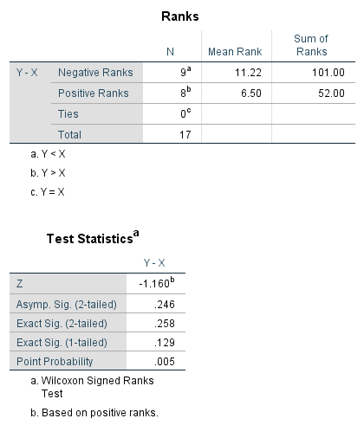
X | Y | d = X-Y-D0 |  | diff d |  | Rank* |  | Step 1 - Hypothesis Test |  |  |  | SPSS solution
20.2 | 22.8 | -2.600 | =A4-B4-$K$7 | 2.600 | =ABS(C4) | 8.5 | =RANK.AVG(E4,$E$4:$E$20,1) |  | H0: Median rating same X - Y = 0
19.5 | 14.2 | 5.300 |  | 5.300 |  | 17 |  |  | H1: Median ratings different
18.6 | 14.1 | 4.500 |  | 4.500 |  | 15 |  |  | Two-tail test
20.9 | 16.1 | 4.800 |  | 4.800 |  | 16 |  |  | D0 = | 0
23.1 | 25.2 | -2.100 |  | 2.100 |  | 7 |  |  | Median difference = | 2.4 | =MEDIAN(C4:C13)
18.6 | 20.2 | -1.600 |  | 1.600 |  | 4
19.6 | 16.7 | 2.900 |  | 2.900 |  | 11 |  | Step 2 - Select Test
23.2 | 21.3 | 1.900 |  | 1.900 |  | 6 |  |  | Wilcoxon signed rank test
21.8 | 18.7 | 3.100 |  | 3.100 |  | 12
20.3 | 20.9 | -0.600 |  | 0.600 |  | 1 |  | Step 3 - Select level of significance
19.2 | 22.6 | -3.400 |  | 3.400 |  | 13.5 |  |  | Significance level α= | 0.05
19.5 | 16.9 | 2.600 |  | 2.600 |  | 8.5
18.7 | 21.4 | -2.700 |  | 2.700 |  | 10 |  | Step 4 - Extract relevant statistic
17.2 | 18.5 | -1.300 |  | 1.300 |  | 3 |  |  | n = | 17.0000 | =COUNT(A4:A20)
21.6 | 23.4 | -1.800 |  | 1.800 |  | 5 |  |  | n0 = | 0.0000 | =COUNTIF(E4:E20,"0")
22.4 | 21.3 | 1.100 |  | 1.100 |  | 2 |  |  | n' = | 17.0000 | =K17-K18
20.8 | 17.4 | 3.400 |  | 3.400 | =ABS(C20) | 13.5 | =RANK.AVG(E20,$E$4:$E$20,1) |  | T - = | 52.0000 | =SUMIF(C4:C20,"<0",G4:G20)
 |  |  |  |  |  |  |  |  | T + = | 101.0000 | =SUMIF(C4:C20,">0",G4:G20)
 |  |  |  |  |  |  |  |  | T = | 52.0000 | =MIN(K20,K21)
 |  |  |  |  |  |  |  |  | mu (m)= | 76.5000 | =K19*(K19+1)/4
 |  |  |  |  |  |  |  |  | sigma (σ)= | 21.1246 | =SQRT((K19*(K19+1)*(2*K19+1)/24))
 |  |  |  |  |  |  |  |  | zcal = | -1.1598 | =(K22-K23)/K24
 |  |  |  |  |  |  |  | Method 1: | P-value = | 0.2461 | =2*NORM.DIST(K22,K23,K24,TRUE)
 |  |  |  |  |  |  |  | Method 2: | Zcri = | 1.9600 | =NORM.S.INV(1-K14/2)
 |  |  |  |  |  |  |  | Step 5 - Make a decision
 |  |  |  |  |  |  |  |  | P-value, Reject H0
 |  |  |  |  |  |  |  |  | Since zcal > zcri, Reject H0

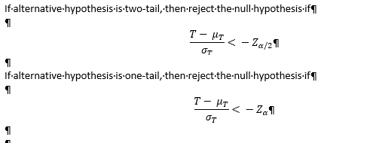

TU8.10
TU8.10 Mann-Whitney U test

Training type | Combined Samples (hours studied) | Rank* |  | Step 1 - Hypothesis Test
1 | 7 | 3 | =RANK.AVG(B4,$B$4:$B$25,1) |  | H0: Median hours the same
1 | 8 | 4 |  |  | H1: Median hours different
1 | 12 | 14 |  |  | Two tail test
1 | 10 | 9
1 | 9 | 6.5 |  | Step 2 - Select Test
1 | 13 | 17 |  |  | Mann-Whitney U test
1 | 11 | 11
1 | 9 | 6.5 |  | Step 3 - Select level of significance
1 | 5 | 1 |  |  | Significance Level α = | 0.05
1 | 14 | 19.5
1 | 13 | 17 |  | Step 4 - Extract relevant statistic |  |  |  | SPSS solution
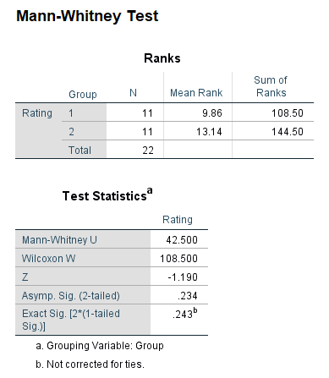
2 | 14 | 19.5 |  |  | Median sample 1 = | 9.5 | =MEDIAN(B4:B13)
2 | 13 | 17 |  |  | Median sample 2 = | 12 | =MEDIAN(B14:B25)
2 | 12 | 14 |  |  | n1 = | 11 | =COUNTIF(A4:A25,"=1")
2 | 11 | 11 |  |  | n2 = | 11 | =COUNTIF(A4:A25,"=2")
2 | 9 | 6.5 |  |  | T1 = | 108.5 | =SUMIF(A4:A25,"=1",C4:C25)
2 | 17 | 22 |  |  | T2 = | 144.5 | =SUMIF(A4:A25,"=2",C4:C25)
2 | 16 | 21 |  |  | T1 max = | 187 | =H17*H18+H17*(H17+1)/2
2 | 11 | 11 |  |  | T2 max = | 187 | =H17*H18+H18*(H18+1)/2
2 | 12 | 14 |  |  | U1 = | 78.5 | =H21-H19
2 | 9 | 6.5 |  |  | U2 = | 42.5 | =H22-H20
2 | 6 | 2 | =RANK.AVG(B25,$B$4:$B$25,1) |  | U1+U2 = | 121 | =H23+H24
 |  |  |  |  | n1n2 = | 121 | =H17*H18
 |  |  |  |  | Ucal = | 42.5 | =MIN(H23,H24)
 | Group 1 - Stats |  |  |  | mu (m)= | 60.5 | =H17*H18/2
 | Groupm 2 - e-Commerce |  |  |  | sigma (σ)= | 15.2288 | =SQRT(H17*H18*(H17+H18+1)/12)
 |  |  |  | Method 1: | Two-tail p-value = | 0.2372 | =2*NORM.S.DIST(H31,TRUE)
 |  |  |  | Method 2: | zcal = | -1.1820 | =(H27-H28)/H29
 |  |  |  |  | Lower one tail zcri = | -1.960 | =NORM.S.INV(H12/2)
 |  |  |  |  | Upper one-tail Zcri = | 1.960 | =NORM.S.INV(1-H12/2)

 |  |  |  | Step 5 - Make a decision
 |  |  |  | Since two-tail p-value > 0.05, Fail to reject H0 |  | H30=0.2372 > H12=0.05
 |  |  |  | Since zcal < zcri, Accept H0 |  | H31 = - 1.18 > H32 = - 1.96 but < H33 = + 1.96

